Graphs
Relationship Between Family Income and Graduation Rates
 | Median Family Income
78.50% | 55,491
85.40% | 56,643
81.60% | 52,667
85.10% | 56,729
70.90% | 63,980
87.40% | 74,045
75.90% | 60,854
85.00% | 58,780
92.70% | 79,570
80.50% | 66,103
76.40% | 60,319
84.90% | 57,921
73.20% | 64,046
81.30% | 60,855
77.10% | 62,075
84.80% | 62,741
80.60% | 57,253
89.00% | 73,836
89.10% | 87,086
75.00% | 62,774
80.50% | 56,213
86.80% | 55,384
83.30% | 70,314
71.40% | 72,384
79.60% | 57,607
84.20% | 68,627
82.50% | 59,709
85.80% | 55,121
84.90% | 70,379
82.80% | 67,698
92.70% | 90,550
Realtionship Between First Generation Student Percentages and Graduation Rates
 | % parents with No Degree, Diploma, or Certificate
78.50% | 7.25000
85.40% | 10.87234
81.60% | 0.11210
85.10% | 11.21277
70.90% | 4.96907
87.40% | 9.00000
75.90% | 3.42969
85.00% | 7.35211
92.70% | 9.72464
80.50% | 8.26214
76.40% | 7.64286
84.90% | 2.92046
73.20% | 11.22222
81.30% | 9.22222
77.10% | 7.57813
84.80% | 4.08621
80.60% | 5.52778
89.00% | 4.77551
89.10% | 5.84190
75.00% | 4.19149
80.50% | 7.00000
86.80% | 4.60714
83.30% | 5.18628
71.40% | 12.27273
79.60% | 8.13750
84.20% | 9.16373
82.50% | 4.95833
85.80% | 4.06061
84.90% | 6.87180
82.80% | 7.98333
92.70% | 3.82465
Median Family Income vs Percentage of Students Recieving Spec Ed Services
 | % Recieving Spec Ed Services
55,491 | 20.17500
56,643 | 13.67391
52,667 | 0.16550
56,729 | 16.55319
63,980 | 19.26804
74,045 | 26.55172
60,854 | 14.34375
58,780 | 21.39437
79,570 | 14.69565
66,103 | 15.34951
60,319 | 21.45238
57,921 | 18.94318
64,046 | 17.94444
60,855 | 14.44444
62,075 | 19.43750
62,741 | 24.10345
57,253 | 24.11111
73,836 | 19.10204
87,086 | 15.28458
62,774 | 22.72340
56,213 | 21.66667
55,384 | 18.92857
70,314 | 17.72549
72,384 | 25.90909
57,607 | 12.64375
68,627 | 17.61796
59,709 | 29.37500
55,121 | 24.00000
70,379 | 17.17949
67,698 | 19.90833
90,550 | 11.27488

Median Family Income vs Percentage of First Generation Students
 | % parents with No Degree, Diploma, or Certificate
55,491 | 7.25000
56,643 | 10.87234
52,667 | 0.11210
56,729 | 11.21277
63,980 | 4.96907
74,045 | 9.00000
60,854 | 3.42969
58,780 | 7.35211
79,570 | 9.72464
66,103 | 8.26214
60,319 | 7.64286
57,921 | 2.92046
64,046 | 11.22222
60,855 | 9.22222
62,075 | 7.57813
62,741 | 4.08621
57,253 | 5.52778
73,836 | 4.77551
87,086 | 5.84190
62,774 | 4.19149
56,213 | 7.00000
55,384 | 4.60714
70,314 | 5.18628
72,384 | 12.27273
57,607 | 8.13750
68,627 | 9.16373
59,709 | 4.95833
55,121 | 4.06061
70,379 | 6.87180
67,698 | 7.98333
90,550 | 3.82465
Relationship Between Gifted Student Population and Graduation Rates
 | % Gifted Students
78.50% | 0.02500
85.40% | 1.87234
81.60% | 0.00680
85.10% | 0.69565
70.90% | 0.04124
87.40% | 0.00000
75.90% | 1.45313
85.00% | 0.16901
92.70% | 0.18841
80.50% | 0.87379
76.40% | 0.00000
84.90% | 0.09091
73.20% | 0.00000
81.30% | 0.00000
77.10% | 0.26563
84.80% | 0.00000
80.60% | 0.00000
89.00% | 1.36735
89.10% | 0.71146
75.00% | 0.00000
80.50% | 0.00000
86.80% | 0.00000
83.30% | 0.80392
71.40% | 0.00000
79.60% | 1.18125
84.20% | 2.22359
82.50% | 0.04167
85.80% | 0.37374
84.90% | 0.88462
82.80% | 0.33333
92.70% | 2.61137
Relationship Between the Use of Special Education Services and Graduation Rates
 | % Recieving Spec Ed Services
78.50% | 20.17500
85.40% | 13.67391
81.60% | 0.16550
85.10% | 16.55319
70.90% | 19.26804
87.40% | 26.55172
75.90% | 14.34375
85.00% | 21.39437
92.70% | 14.69565
80.50% | 15.34951
76.40% | 21.45238
84.90% | 18.94318
73.20% | 17.94444
81.30% | 14.44444
77.10% | 19.43750
84.80% | 24.10345
80.60% | 24.11111
89.00% | 19.10204
89.10% | 15.28458
75.00% | 22.72340
80.50% | 21.66667
86.80% | 18.92857
83.30% | 17.72549
71.40% | 25.90909
79.60% | 12.64375
84.20% | 17.61796
82.50% | 29.37500
85.80% | 24.00000
84.90% | 17.17949
82.80% | 19.90833
92.70% | 11.27488

% First Gen Students vs % Gifted Students
 | % Gifted Students
7.25000 | 0.02500
10.87234 | 1.87234
0.11210 | 0.00680
11.21277 | 0.69565
4.96907 | 0.04124
9.00000 | 0.00000
3.42969 | 1.45313
7.35211 | 0.16901
9.72464 | 0.18841
8.26214 | 0.87379
7.64286 | 0.00000
2.92046 | 0.09091
11.22222 | 0.00000
9.22222 | 0.00000
7.57813 | 0.26563
4.08621 | 0.00000
5.52778 | 0.00000
4.77551 | 1.36735
5.84190 | 0.71146
4.19149 | 0.00000
7.00000 | 0.00000
4.60714 | 0.00000
5.18628 | 0.80392
12.27273 | 0.00000
8.13750 | 1.18125
9.16373 | 2.22359
4.95833 | 0.04167
4.06061 | 0.37374
6.87180 | 0.88462
7.98333 | 0.33333
3.82465 | 2.61137

Relatonship Between Percentage of Low Income Students and Graduation Rates
 | % Low Income
78.50% | 18.47500
85.40% | 14.08696
81.60% | 0.16960
85.10% | 16.95745
70.90% | 19.70103
87.40% | 19.31034
75.90% | 14.32813
85.00% | 16.74648
92.70% | 24.15942
80.50% | 22.94175
76.40% | 20.23810
84.90% | 14.86364
73.20% | 11.16667
81.30% | 19.59259
77.10% | 17.68750
84.80% | 16.56897
80.60% | 18.97222
89.00% | 18.24490
89.10% | 19.16601
75.00% | 16.63830
80.50% | 12.08333
86.80% | 14.67857
83.30% | 14.62745
71.40% | 12.27273
79.60% | 19.51250
84.20% | 26.64085
82.50% | 17.62500
85.80% | 16.80808
84.90% | 12.06410
82.80% | 15.74167
92.70% | 14.25592
% Low Income vs % First Gen
 | % parents with No Degree, Diploma, or Certificate
18.47500 | 7.25000
14.08696 | 10.87234
0.16960 | 0.11210
16.95745 | 11.21277
19.70103 | 4.96907
19.31034 | 9.00000
14.32813 | 3.42969
16.74648 | 7.35211
24.15942 | 9.72464
22.94175 | 8.26214
20.23810 | 7.64286
14.86364 | 2.92046
11.16667 | 11.22222
19.59259 | 9.22222
17.68750 | 7.57813
16.56897 | 4.08621
18.97222 | 5.52778
18.24490 | 4.77551
19.16601 | 5.84190
16.63830 | 4.19149
12.08333 | 7.00000
14.67857 | 4.60714
14.62745 | 5.18628
12.27273 | 12.27273
19.51250 | 8.13750
26.64085 | 9.16373
17.62500 | 4.95833
16.80808 | 4.06061
12.06410 | 6.87180
15.74167 | 7.98333
14.25592 | 3.82465

Median Family Income vs Percentage of Low Income Sudents per District
 | % Low Income
55,491 | 18.47500
56,643 | 14.08696
52,667 | 0.16960
56,729 | 16.95745
63,980 | 19.70103
74,045 | 19.31034
60,854 | 14.32813
58,780 | 16.74648
79,570 | 24.15942
66,103 | 22.94175
60,319 | 20.23810
57,921 | 14.86364
64,046 | 11.16667
60,855 | 19.59259
62,075 | 17.68750
62,741 | 16.56897
57,253 | 18.97222
73,836 | 18.24490
87,086 | 19.16601
62,774 | 16.63830
56,213 | 12.08333
55,384 | 14.67857
70,314 | 14.62745
72,384 | 12.27273
57,607 | 19.51250
68,627 | 26.64085
59,709 | 17.62500
55,121 | 16.80808
70,379 | 12.06410
67,698 | 15.74167
90,550 | 14.25592

% Gifted Students vs % Recieving Spec Ed Services
 | % Recieving Spec Ed Services
0.02500 | 20.17500
1.87234 | 13.67391
0.00680 | 0.16550
0.69565 | 16.55319
0.04124 | 19.26804
0.00000 | 26.55172
1.45313 | 14.34375
0.16901 | 21.39437
0.18841 | 14.69565
0.87379 | 15.34951
0.00000 | 21.45238
0.09091 | 18.94318
0.00000 | 17.94444
0.00000 | 14.44444
0.26563 | 19.43750
0.00000 | 24.10345
0.00000 | 24.11111
1.36735 | 19.10204
0.71146 | 15.28458
0.00000 | 22.72340
0.00000 | 21.66667
0.00000 | 18.92857
0.80392 | 17.72549
0.00000 | 25.90909
1.18125 | 12.64375
2.22359 | 17.61796
0.04167 | 29.37500
0.37374 | 24.00000
0.88462 | 17.17949
0.33333 | 19.90833
2.61137 | 11.27488

% First Gen Students vs % Recieving Spec Ed Services
 | % Recieving Spec Ed Services
7.25000 | 20.17500
10.87234 | 13.67391
0.11210 | 0.16550
11.21277 | 16.55319
4.96907 | 19.26804
9.00000 | 26.55172
3.42969 | 14.34375
7.35211 | 21.39437
9.72464 | 14.69565
8.26214 | 15.34951
7.64286 | 21.45238
2.92046 | 18.94318
11.22222 | 17.94444
9.22222 | 14.44444
7.57813 | 19.43750
4.08621 | 24.10345
5.52778 | 24.11111
4.77551 | 19.10204
5.84190 | 15.28458
4.19149 | 22.72340
7.00000 | 21.66667
4.60714 | 18.92857
5.18628 | 17.72549
12.27273 | 25.90909
8.13750 | 12.64375
9.16373 | 17.61796
4.95833 | 29.37500
4.06061 | 24.00000
6.87180 | 17.17949
7.98333 | 19.90833
3.82465 | 11.27488

Median Family Income vs Percentage of Gifted Students
 | % Gifted Students
55,491 | 0.02500
56,643 | 1.87234
52,667 | 0.00680
56,729 | 0.69565
63,980 | 0.04124
74,045 | 0.00000
60,854 | 1.45313
58,780 | 0.16901
79,570 | 0.18841
66,103 | 0.87379
60,319 | 0.00000
57,921 | 0.09091
64,046 | 0.00000
60,855 | 0.00000
62,075 | 0.26563
62,741 | 0.00000
57,253 | 0.00000
73,836 | 1.36735
87,086 | 0.71146
62,774 | 0.00000
56,213 | 0.00000
55,384 | 0.00000
70,314 | 0.80392
72,384 | 0.00000
57,607 | 1.18125
68,627 | 2.22359
59,709 | 0.04167
55,121 | 0.37374
70,379 | 0.88462
67,698 | 0.33333
90,550 | 2.61137

% Low Income vs % Gifted Students
 | % Gifted Students
18.47500 | 0.02500
14.08696 | 1.87234
0.16960 | 0.00680
16.95745 | 0.69565
19.70103 | 0.04124
19.31034 | 0.00000
14.32813 | 1.45313
16.74648 | 0.16901
24.15942 | 0.18841
22.94175 | 0.87379
20.23810 | 0.00000
14.86364 | 0.09091
11.16667 | 0.00000
19.59259 | 0.00000
17.68750 | 0.26563
16.56897 | 0.00000
18.97222 | 0.00000
18.24490 | 1.36735
19.16601 | 0.71146
16.63830 | 0.00000
12.08333 | 0.00000
14.67857 | 0.00000
14.62745 | 0.80392
12.27273 | 0.00000
19.51250 | 1.18125
26.64085 | 2.22359
17.62500 | 0.04167
16.80808 | 0.37374
12.06410 | 0.88462
15.74167 | 0.33333
14.25592 | 2.61137

% Low Income vs % Recieving Spec Ed Services
 | % Recieving Spec Ed Services
18.47500 | 20.17500
14.08696 | 13.67391
0.16960 | 0.16550
16.95745 | 16.55319
19.70103 | 19.26804
19.31034 | 26.55172
14.32813 | 14.34375
16.74648 | 21.39437
24.15942 | 14.69565
22.94175 | 15.34951
20.23810 | 21.45238
14.86364 | 18.94318
11.16667 | 17.94444
19.59259 | 14.44444
17.68750 | 19.43750
16.56897 | 24.10345
18.97222 | 24.11111
18.24490 | 19.10204
19.16601 | 15.28458
16.63830 | 22.72340
12.08333 | 21.66667
14.67857 | 18.92857
14.62745 | 17.72549
12.27273 | 25.90909
19.51250 | 12.64375
26.64085 | 17.61796
17.62500 | 29.37500
16.80808 | 24.00000
12.06410 | 17.17949
15.74167 | 19.90833
14.25592 | 11.27488

Maps
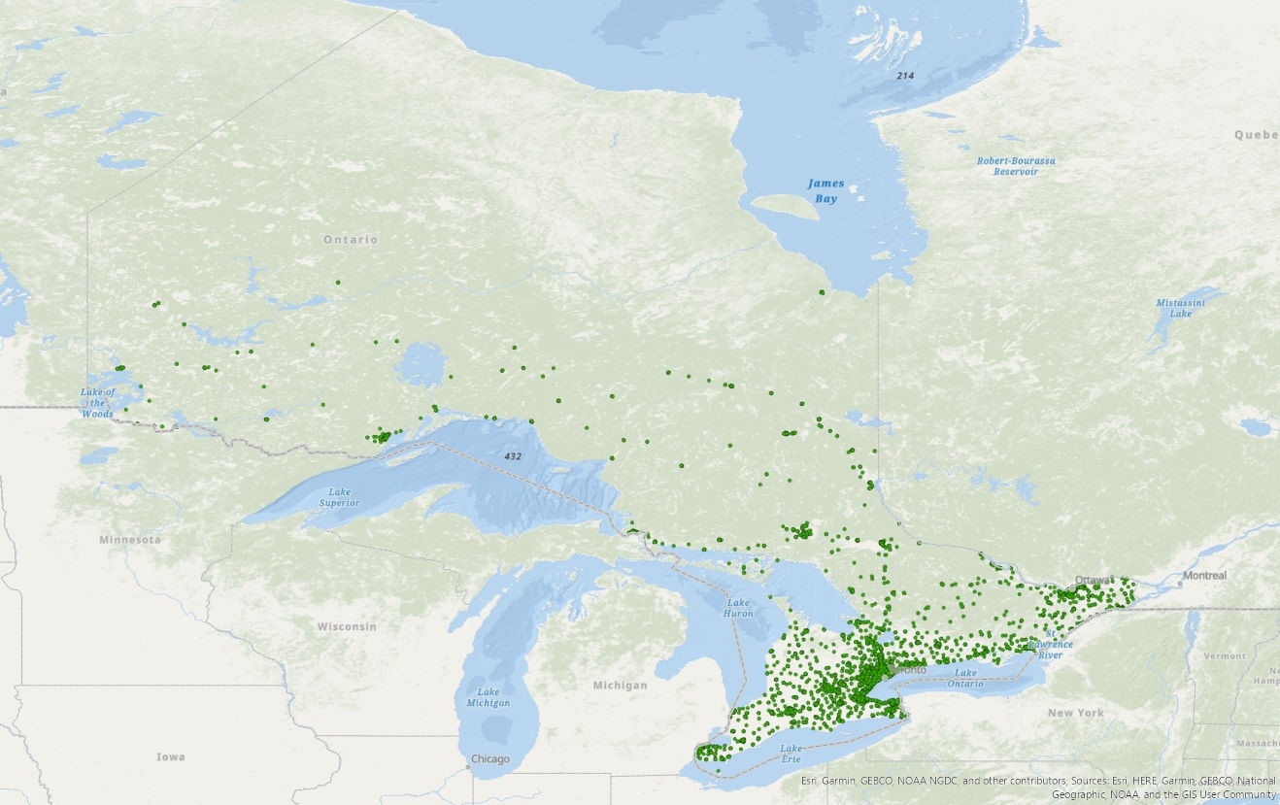
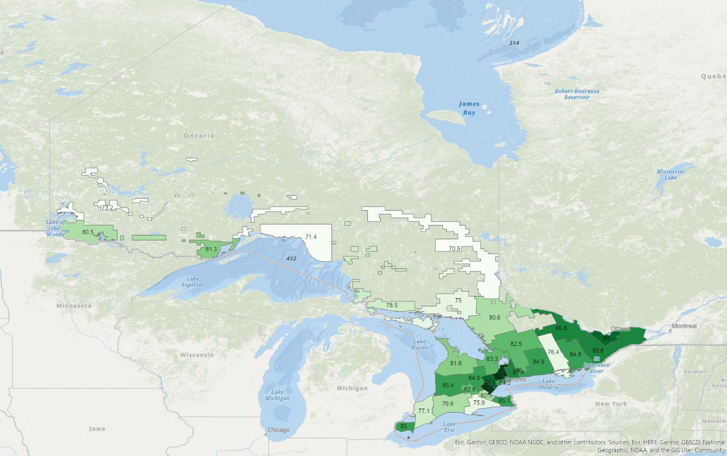
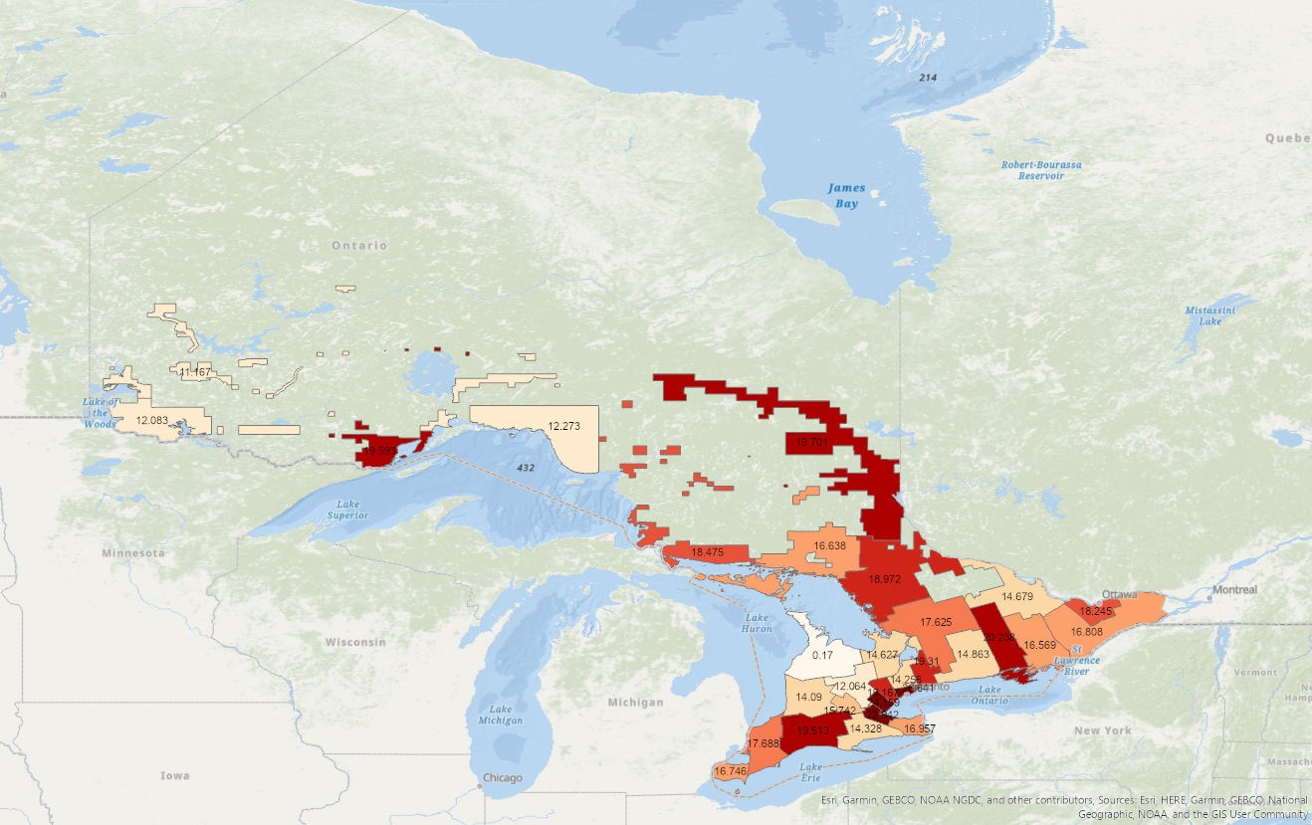

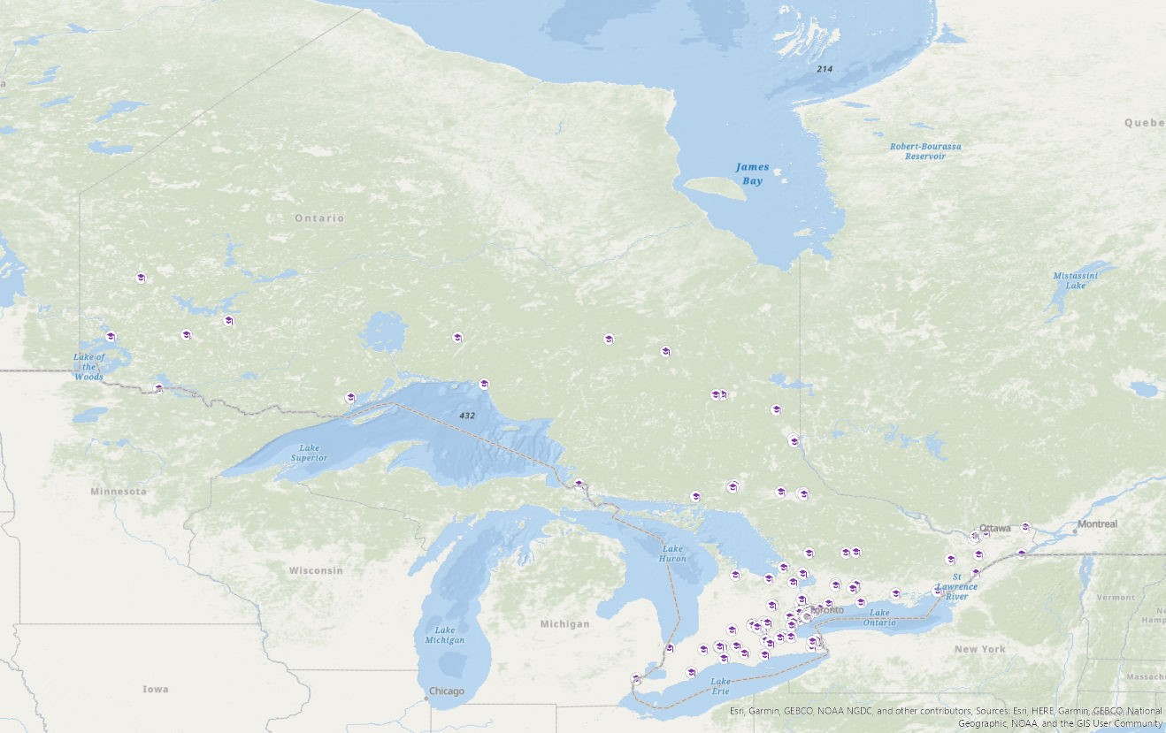
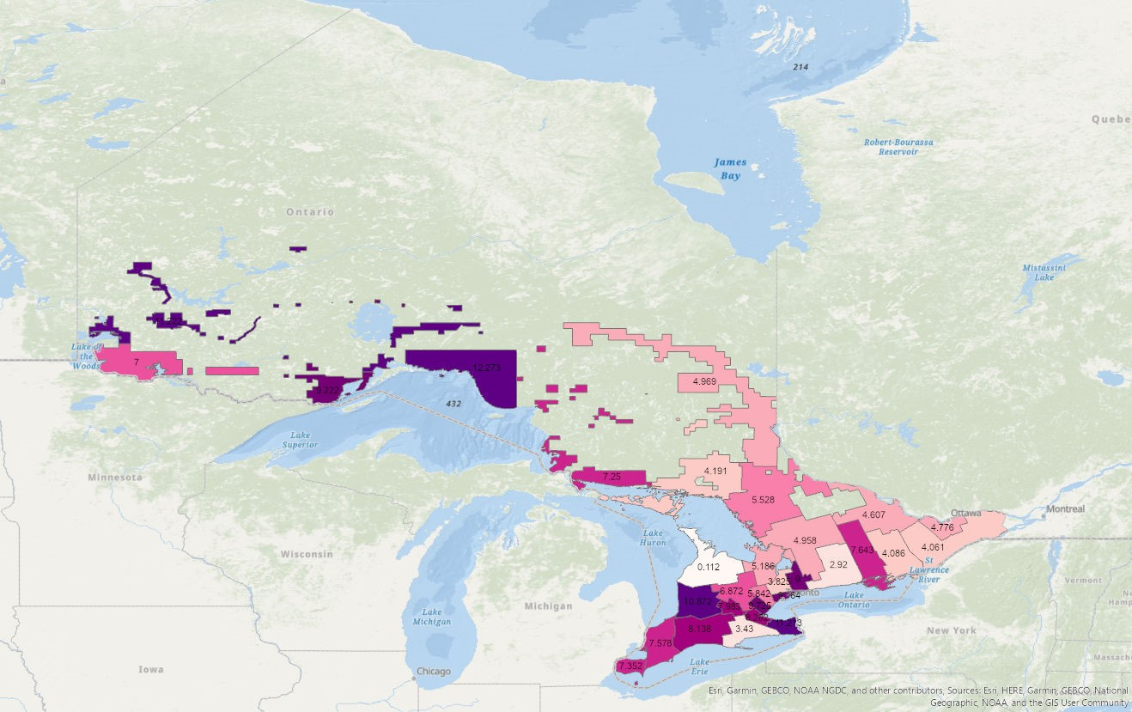
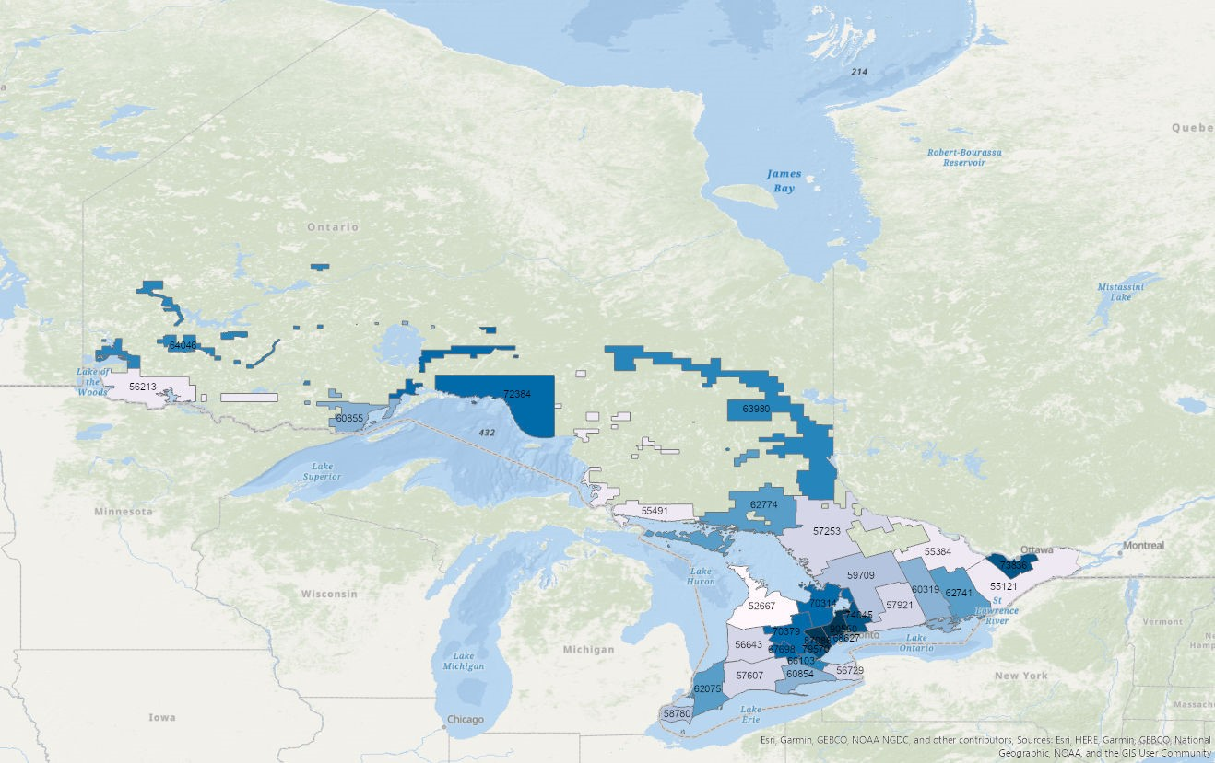

Grouped Data Analysis
School District | Graduation Rate | Median Family Income | % Low Income | % First Gen | % Receiving Spec Ed | % Gifted |  |  | Median Family Income | % Low Income | % First Gen | % Receiving Spec Ed | % Gifted
District School Board Ontario North East | 0.709 | 63980 | 19.701030% | 4.969072% | 19.268040% | 0.041237% |  | Low | 62170 | 16.668884% | 7.410409% | 19.321928% | 0.329582%
Superior-Greenstone District School Board | 0.714 | 72384 | 12.272730% | 12.272730% | 25.909090% | 0.000000% |  | Mid | 63405 | 16.394498% | 6.450837% | 18.803926% | 0.522409%
Keewatin-Patricia District School Board | 0.732 | 64046 | 11.166670% | 11.222220% | 17.944440% | 0.000000% |  | High | 85060 | 19.207670% | 6.774642% | 12.985265% | 1.399890%
Rainbow District School Board | 0.75 | 62774 | 16.638300% | 4.191489% | 22.723400% | 0.000000%
Grand Erie District School Board | 0.759 | 60854 | 14.328130% | 3.429688% | 14.343750% | 1.453125% |  | (+/-) | + | + | - | - | +
Hastings & Prince Edward District School Board | 0.764 | 60319 | 20.238100% | 7.642857% | 21.452380% | 0.000000% |  | R^2 | 0.7903 | 0.6698 | 0.4240 | 0.8109 | 0.8800
Lambton Kent District School Board | 0.771 | 62075 | 17.687500% | 7.578125% | 19.437500% | 0.265625%
Algoma District School Board | 0.785 | 55491 | 18.475000% | 7.250000% | 20.175000% | 0.025000%
Thames Valley District School Board | 0.796 | 57607 | 19.512500% | 8.137500% | 12.643750% | 1.181250%
 |  | 62170 | 16.668884% | 7.410409% | 19.321928% | 0.329582%
Hamilton-Wentworth District School Board | 0.805 | 66103 | 22.941750% | 8.262136% | 15.349510% | 0.873786%
Rainy River District School Board | 0.805 | 56213 | 12.083330% | 7.000000% | 21.666670% | 0.000000%
Near North District School Board | 0.806 | 57253 | 18.972220% | 5.527778% | 24.111110% | 0.000000%
Lakehead District School Board | 0.813 | 60855 | 19.592590% | 9.222222% | 14.444440% | 0.000000%
Bluewater District School Board | 0.816 | 52667 | 0.169600% | 0.112100% | 0.165500% | 0.006800%
Trillium Lakelands District School Board | 0.825 | 59709 | 17.625000% | 4.958333% | 29.375000% | 0.041667%
Waterloo Region District School Board | 0.828 | 67698 | 15.741670% | 7.983333% | 19.908330% | 0.333333%
Simcoe County District School Board | 0.833 | 70314 | 14.627450% | 5.186275% | 17.725490% | 0.803922%
Toronto District School Board | 0.842 | 68627 | 26.640850% | 9.163732% | 17.617960% | 2.223592%
Limestone District School Board | 0.848 | 62741 | 16.568970% | 4.086207% | 24.103450% | 0.000000%
Kawartha Pine Ridge District School Board | 0.849 | 57921 | 14.863640% | 2.920455% | 18.943180% | 0.090909%
Upper Grand District School Board | 0.849 | 70379 | 12.064100% | 6.871795% | 17.179490% | 0.884615%
Greater Essex County District School Board | 0.85 | 58780 | 16.746480% | 7.352113% | 21.394370% | 0.169014%
District School Board of Niagara | 0.851 | 56729 | 16.957450% | 11.212770% | 16.553190% | 0.695652%
Avon Maitland District School Board | 0.854 | 56643 | 14.086957% | 10.872340% | 13.673913% | 1.872340%
Upper Canada District School Board | 0.858 | 55121 | 16.808080% | 4.060606% | 24.000000% | 0.373737%
Renfrew County District School Board | 0.868 | 55384 | 14.678570% | 4.607143% | 18.928570% | 0.000000%
Durham District School Board | 0.874 | 74045 | 19.310340% | 9.000000% | 26.551720% | 0.000000%
Ottawa-Carleton District School Board | 0.89 | 73836 | 18.244900% | 4.775510% | 19.102040% | 1.367347%
Peel District School Board | 0.891 | 87086 | 19.166010% | 5.841897% | 15.284580% | 0.711462%
 |  | 63405 | 16.394498% | 6.450837% | 18.803926% | 0.522409%
Halton District School Board | 0.927 | 79570 | 24.159420% | 9.724638% | 14.695650% | 0.188406%
York Region District School Board | 0.927 | 90550 | 14.255920% | 3.824645% | 11.274880% | 2.611374%
 |  | 85060 | 19.207670% | 6.774642% | 12.985265% | 1.399890%

School District | Graduation Rate | Median Family Income | % Low Income | % First Gen | % Receiving Spec Ed | % Gifted |  |  | Median Family Income | % Low Income | % First Gen | % Receiving Spec Ed | % Gifted
District School Board Ontario North East | 0.709 | 63980 | 19.701030% | 4.969072% | 19.268040% | 0.041237% |  | Low | 66803 | 14.380143% | 9.488007% | 21.040523% | 0.013746%
Superior-Greenstone District School Board | 0.714 | 72384 | 12.272730% | 12.272730% | 25.909090% | 0.000000% |  | Low-Mid | 59853 | 17.813255% | 6.371610% | 18.462630% | 0.487500%
Keewatin-Patricia District School Board | 0.732 | 64046 | 11.166670% | 11.222220% | 17.944440% | 0.000000% |  | Mid | 62540 | 15.990931% | 5.941197% | 18.382511% | 0.438219%
 |  | 66803 | 14.380143% | 9.488007% | 21.040523% | 0.013746% |  | Mid-High | 64703 | 16.999848% | 7.215297% | 19.436048% | 0.648694%
Rainbow District School Board | 0.75 | 62774 | 16.638300% | 4.191489% | 22.723400% | 0.000000% |  | High | 85060 | 19.207670% | 6.774642% | 12.985265% | 1.399890%
Grand Erie District School Board | 0.759 | 60854 | 14.328130% | 3.429688% | 14.343750% | 1.453125%
Hastings & Prince Edward District School Board | 0.764 | 60319 | 20.238100% | 7.642857% | 21.452380% | 0.000000% |  | (+/-) | + | + | - | - | +
Lambton Kent District School Board | 0.771 | 62075 | 17.687500% | 7.578125% | 19.437500% | 0.265625% |  | R^2 | 0.4285 | 0.5859 | 0.2736 | 0.6227 | 0.8398
Algoma District School Board | 0.785 | 55491 | 18.475000% | 7.250000% | 20.175000% | 0.025000%
Thames Valley District School Board | 0.796 | 57607 | 19.512500% | 8.137500% | 12.643750% | 1.181250%
 |  | 59853 | 17.813255% | 6.371610% | 18.462630% | 0.487500%
Hamilton-Wentworth District School Board | 0.805 | 66103 | 22.941750% | 8.262136% | 15.349510% | 0.873786%
Rainy River District School Board | 0.805 | 56213 | 12.083330% | 7.000000% | 21.666670% | 0.000000%
Near North District School Board | 0.806 | 57253 | 18.972220% | 5.527778% | 24.111110% | 0.000000%
Lakehead District School Board | 0.813 | 60855 | 19.592590% | 9.222222% | 14.444440% | 0.000000%
Bluewater District School Board | 0.816 | 52667 | 0.169600% | 0.112100% | 0.165500% | 0.006800%
Trillium Lakelands District School Board | 0.825 | 59709 | 17.625000% | 4.958333% | 29.375000% | 0.041667%
Waterloo Region District School Board | 0.828 | 67698 | 15.741670% | 7.983333% | 19.908330% | 0.333333%
Simcoe County District School Board | 0.833 | 70314 | 14.627450% | 5.186275% | 17.725490% | 0.803922%
Toronto District School Board | 0.842 | 68627 | 26.640850% | 9.163732% | 17.617960% | 2.223592%
Limestone District School Board | 0.848 | 62741 | 16.568970% | 4.086207% | 24.103450% | 0.000000%
Kawartha Pine Ridge District School Board | 0.849 | 57921 | 14.863640% | 2.920455% | 18.943180% | 0.090909%
Upper Grand District School Board | 0.849 | 70379 | 12.064100% | 6.871795% | 17.179490% | 0.884615%
 |  | 62540 | 15.990931% | 5.941197% | 18.382511% | 0.438219%
Greater Essex County District School Board | 0.85 | 58780 | 16.746480% | 7.352113% | 21.394370% | 0.169014%
District School Board of Niagara | 0.851 | 56729 | 16.957450% | 11.212770% | 16.553190% | 0.695652%
Avon Maitland District School Board | 0.854 | 56643 | 14.086957% | 10.872340% | 13.673913% | 1.872340%
Upper Canada District School Board | 0.858 | 55121 | 16.808080% | 4.060606% | 24.000000% | 0.373737%
Renfrew County District School Board | 0.868 | 55384 | 14.678570% | 4.607143% | 18.928570% | 0.000000%
Durham District School Board | 0.874 | 74045 | 19.310340% | 9.000000% | 26.551720% | 0.000000%
Ottawa-Carleton District School Board | 0.89 | 73836 | 18.244900% | 4.775510% | 19.102040% | 1.367347%
Peel District School Board | 0.891 | 87086 | 19.166010% | 5.841897% | 15.284580% | 0.711462%
 |  | 64703 | 16.999848% | 7.215297% | 19.436048% | 0.648694%
Halton District School Board | 0.927 | 79570 | 24.159420% | 9.724638% | 14.695650% | 0.188406%
York Region District School Board | 0.927 | 90550 | 14.255920% | 3.824645% | 11.274880% | 2.611374%
 |  | 85060 | 19.207670% | 6.774642% | 12.985265% | 1.399890%

School District | Graduation Rate | Median Family Income | % Low Income | % First Gen | % Receiving Spec Ed | % Gifted |  |  | Median Family Income | % Low Income | % First Gen | % Receiving Spec Ed | % Gifted
District School Board Ontario North East | 0.709 | 63980 | 19.701030% | 4.969072% | 19.268040% | 0.041237% |  | .7-.733 | 66803 | 14.380143% | 9.488007% | 21.040523% | 0.013746%
Superior-Greenstone District School Board | 0.714 | 72384 | 12.272730% | 12.272730% | 25.909090% | 0.000000% |  | .734-.766 | 61316 | 17.068177% | 5.088011% | 19.506510% | 0.484375%
Keewatin-Patricia District School Board | 0.732 | 64046 | 11.166670% | 11.222220% | 17.944440% | 0.000000% |  | .767-.799 | 58391 | 18.558333% | 7.655208% | 17.418750% | 0.490625%
 |  | 66803 | 14.380143% | 9.488007% | 21.040523% | 0.013746% |  | .8-.833 | 61352 | 15.219201% | 6.031522% | 17.843256% | 0.257438%
Rainbow District School Board | 0.75 | 62774 | 16.638300% | 4.191489% | 22.723400% | 0.000000% |  | .834-.866 | 60868 | 16.842066% | 7.067502% | 19.183194% | 0.788732%
Grand Erie District School Board | 0.759 | 60854 | 14.328130% | 3.429688% | 14.343750% | 1.453125% |  | .867-.899 | 72588 | 17.849955% | 6.056138% | 19.966728% | 0.519702%
Hastings & Prince Edward District School Board | 0.764 | 60319 | 20.238100% | 7.642857% | 21.452380% | 0.000000% |  | .9-.933 | 85060 | 19.207670% | 6.774642% | 12.985265% | 1.399890%
 |  | 61316 | 17.068177% | 5.088011% | 19.506510% | 0.484375%
Lambton Kent District School Board | 0.771 | 62075 | 17.687500% | 7.578125% | 19.437500% | 0.265625% |  | (+/-) | + | + | - | - | +
Algoma District School Board | 0.785 | 55491 | 18.475000% | 7.250000% | 20.175000% | 0.025000% |  | R^2 | 0.4271 | 0.4055 | 0.1366 | 0.3947 | 0.6312
Thames Valley District School Board | 0.796 | 57607 | 19.512500% | 8.137500% | 12.643750% | 1.181250%
 |  | 58391 | 18.558333% | 7.655208% | 17.418750% | 0.490625%
Hamilton-Wentworth District School Board | 0.805 | 66103 | 22.941750% | 8.262136% | 15.349510% | 0.873786%
Rainy River District School Board | 0.805 | 56213 | 12.083330% | 7.000000% | 21.666670% | 0.000000%
Near North District School Board | 0.806 | 57253 | 18.972220% | 5.527778% | 24.111110% | 0.000000%
Lakehead District School Board | 0.813 | 60855 | 19.592590% | 9.222222% | 14.444440% | 0.000000%
Bluewater District School Board | 0.816 | 52667 | 0.169600% | 0.112100% | 0.165500% | 0.006800%
Trillium Lakelands District School Board | 0.825 | 59709 | 17.625000% | 4.958333% | 29.375000% | 0.041667%
Waterloo Region District School Board | 0.828 | 67698 | 15.741670% | 7.983333% | 19.908330% | 0.333333%
Simcoe County District School Board | 0.833 | 70314 | 14.627450% | 5.186275% | 17.725490% | 0.803922%
 |  | 61351.5 | 15.21920% | 6.03152% | 17.84326% | 0.25744%
Toronto District School Board | 0.842 | 68627 | 26.640850% | 9.163732% | 17.617960% | 2.223592%
Limestone District School Board | 0.848 | 62741 | 16.568970% | 4.086207% | 24.103450% | 0.000000%
Kawartha Pine Ridge District School Board | 0.849 | 57921 | 14.863640% | 2.920455% | 18.943180% | 0.090909%
Upper Grand District School Board | 0.849 | 70379 | 12.064100% | 6.871795% | 17.179490% | 0.884615%
Greater Essex County District School Board | 0.85 | 58780 | 16.746480% | 7.352113% | 21.394370% | 0.169014%
District School Board of Niagara | 0.851 | 56729 | 16.957450% | 11.212770% | 16.553190% | 0.695652%
Avon Maitland District School Board | 0.854 | 56643 | 14.086957% | 10.872340% | 13.673913% | 1.872340%
Upper Canada District School Board | 0.858 | 55121 | 16.808080% | 4.060606% | 24.000000% | 0.373737%
 |  | 60867.625 | 16.842066% | 7.067502% | 19.183194% | 0.788732%
Renfrew County District School Board | 0.868 | 55384 | 14.678570% | 4.607143% | 18.928570% | 0.000000%
Durham District School Board | 0.874 | 74045 | 19.310340% | 9.000000% | 26.551720% | 0.000000%
Ottawa-Carleton District School Board | 0.89 | 73836 | 18.244900% | 4.775510% | 19.102040% | 1.367347%
Peel District School Board | 0.891 | 87086 | 19.166010% | 5.841897% | 15.284580% | 0.711462%
 |  | 72587.75 | 17.849955% | 6.056138% | 19.966728% | 0.519702%
Halton District School Board | 0.927 | 79570 | 24.159420% | 9.724638% | 14.695650% | 0.188406%
York Region District School Board | 0.927 | 90550 | 14.255920% | 3.824645% | 11.274880% | 2.611374%
 |  | 85060 | 19.207670% | 6.774642% | 12.985265% | 1.399890%

 |  |  |  |  |  |  |  |  | Median Family Income | % Low Income | % First Gen | % Receiving Spec Ed | % Gifted
 |  |  |  |  |  |  | 3 Groups | (+/-) | + | + | - | - | +
 |  |  |  |  |  |  |  | R^2 | 0.7903 | 0.6698 | 0.4240 | 0.8109 | 0.8800

 |  |  |  |  |  |  | 5 Groups | (+/-) | + | + | - | - | +
 |  |  |  |  |  |  |  | R^2 | 0.4285 | 0.5859 | 0.2736 | 0.6227 | 0.8398

 |  |  |  |  |  |  | 7 Groups | (+/-) | + | + | - | - | +
 |  |  |  |  |  |  |  | R^2 | 0.4271 | 0.4055 | 0.1366 | 0.3947 | 0.6312

 |  |  |  |  |  |  | No Groups | (+/-) | + | + | - | - | +
 |  |  |  |  |  |  |  | R^2 | 0.1750 | 0.0225 | 0.0202 | 0.0321 | 0.1413

